Sheet1
No | Item Number | Market | Title | Price | Available | Sold | Vehicle W/o Engine | Vehicle W/ Engine | Picture | Url
1 | 301284845158 | DE | TÜRSCHLOSS VORNE LINKS FÜR SEAT LEON 1M SKODA OCTAVIA VW GOLF 4 PASSAT 3B 3BG | EUR 18,39 | Mehr als 10 verfügbar | 18.200 verkauft | Seat Arosa 1997-2004 Seat Leon 1999-2006 Seat Toledo II 1998-2006 Skoda Octavia I 1996-2010 Skoda Octavia I Combi 1998-2010 Skoda Octavia I Kasten/Kombi 2000-2010 Skoda Superb I 2001-2008 VW Bora 1998-2013 VW Bora Variant 1999-2005 VW Golf IV 1997-2005 VW Golf IV Van 1997-2004 VW Golf IV Variant 1999-2006 VW Golf Van IV Variant 1999-2006 VW Lupo 1998-2005 VW New Beetle 1998-2010 VW Passat 1996-2005 VW Passat Variant 1997-2005 | Seat Arosa 1997-2004 1389 ccm, 44 KW, 60 PS Seat Arosa 1997-2004 1716 ccm, 44 KW, 60 PS Seat Arosa 1997-2004 999 ccm, 37 KW, 50 PS Seat Arosa 1998-2001 997 ccm, 37 KW, 50 PS Seat Arosa 2000-2004 1390 ccm, 74 KW, 100 PS Seat Arosa 2000-2004 1422 ccm, 55 KW, 75 PS Seat Leon 1999-2006 1390 ccm, 55 KW, 75 PS Seat Leon 1999-2006 1595 ccm, 74 KW, 100 PS Seat Leon 1999-2006 1781 ccm, 132 KW, 180 PS Seat Leon 1999-2006 1781 ccm, 92 KW, 125 PS Seat Leon 1999-2006 1896 ccm, 50 KW, 68 PS Seat Leon 1999-2006 1896 ccm, 66 KW, 90 PS Seat Leon 1999-2006 1896 ccm, 81 KW, 110 PS Seat Leon 2000-2006 1598 ccm, 77 KW, 105 PS Seat Leon 2000-2006 1896 ccm, 110 KW, 150 PS Seat Leon 2001-2006 2792 ccm, 150 KW, 204 PS Seat Leon 2002-2006 1781 ccm, 154 KW, 209 PS Seat Leon 2003-2006 1781 ccm, 165 KW, 225 PS Seat Leon 2003-2006 1896 ccm, 96 KW, 130 PS Seat Leon 2005-2006 1595 ccm, 75 KW, 102 PS Seat Leon 2005-2006 1896 ccm, 74 KW, 100 PS Seat Toledo II 1998-2000 2324 ccm, 110 KW, 150 PS Seat Toledo II 1998-2004 1595 ccm, 74 KW, 100 PS Seat Toledo II 1998-2004 1781 ccm, 92 KW, 125 PS Seat Toledo II 1998-2004 1896 ccm, 81 KW, 110 PS Seat Toledo II 1999-2004 1896 ccm, 66 KW, 90 PS Seat Toledo II 2000-2002 1390 ccm, 55 KW, 75 PS Seat Toledo II 2000-2003 2324 ccm, 125 KW, 170 PS Seat Toledo II 2000-2004 1781 ccm, 132 KW, 180 PS Seat Toledo II 2000-2004 1896 ccm, 110 KW, 150 PS Seat Toledo II 2000-2006 1598 ccm, 77 KW, 105 PS Seat Toledo II 2003-2006 1896 ccm, 96 KW, 130 PS Skoda Octavia I 1996-2000 1781 ccm, 92 KW, 125 PS Skoda Octavia I 1996-2004 1598 ccm, 55 KW, 75 PS Skoda Octavia I 1996-2010 1896 ccm, 66 KW, 90 PS Skoda Octavia I 1997-2003 1896 ccm, 50 KW, 68 PS Skoda Octavia I 1997-2006 1896 ccm, 81 KW, 110 PS Skoda Octavia I 1997-2007 1595 ccm, 74 KW, 101 PS Skoda Octavia I 1997-2010 1781 ccm, 110 KW, 150 PS Skoda Octavia I 1999-2001 1397 ccm, 44 KW, 60 PS Skoda Octavia I 1999-2007 1984 ccm, 85 KW, 116 PS Skoda Octavia I 2000-2010 1390 ccm, 55 KW, 75 PS Skoda Octavia I 2000-2010 1595 ccm, 75 | 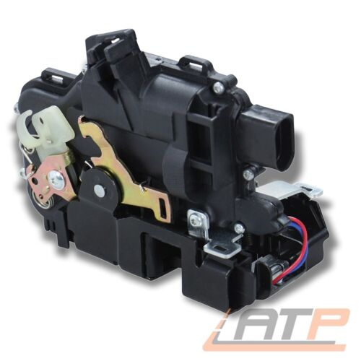 | https://www.ebay.de/itm/301284845158?_ul=DE&_stpos=10115&orig_cvip=true
2 | 391525907146 | DE | TÜRSCHLOSS ZENTRALVERRIEG<wbr/>ELUNG VORNE RECHTS FÜR VW POLO 9N 6R TRANSPORTER BUS T5 | EUR 18,39 | Mehr als 10 verfügbar | 2.890 verkauft | Skoda Fabia I 1999-2008 Skoda Fabia I Combi 2000-2007 Skoda Fabia I Praktik 2000-2007 Skoda Fabia I Stufenheck 1999-2007 VW Multivan V 2003-2015 VW Polo 2001-2009 VW Transporter V Bus 2003-2015 VW Transporter V Kasten 2003-2015 VW Transporter V Pritsche/Fahrgestell 2003-2013 | Skoda Fabia I 1999-2002 996 ccm, 37 KW, 50 PS Skoda Fabia I 1999-2003 1397 ccm, 50 KW, 68 PS Skoda Fabia I 1999-2008 1390 ccm, 55 KW, 75 PS Skoda Fabia I 1999-2008 1390 ccm, 74 KW, 100 PS Skoda Fabia I 1999-2008 1896 ccm, 47 KW, 64 PS Skoda Fabia I 1999-2008 1984 ccm, 85 KW, 116 PS Skoda Fabia I 2000-2002 1397 ccm, 44 KW, 60 PS Skoda Fabia I 2000-2008 1896 ccm, 74 KW, 100 PS Skoda Fabia I 2001-2007 1198 ccm, 40 KW, 54 PS Skoda Fabia I 2003-2008 1198 ccm, 47 KW, 64 PS Skoda Fabia I 2003-2008 1422 ccm, 55 KW, 75 PS Skoda Fabia I 2003-2008 1896 ccm, 96 KW, 130 PS Skoda Fabia I 2005-2008 1422 ccm, 51 KW, 70 PS Skoda Fabia I 2005-2008 1422 ccm, 59 KW, 80 PS Skoda Fabia I Combi 2000-2003 1397 ccm, 44 KW, 60 PS Skoda Fabia I Combi 2000-2003 1397 ccm, 50 KW, 68 PS Skoda Fabia I Combi 2000-2007 1390 ccm, 55 KW, 75 PS Skoda Fabia I Combi 2000-2007 1390 ccm, 74 KW, 100 PS Skoda Fabia I Combi 2000-2007 1896 ccm, 47 KW, 64 PS Skoda Fabia I Combi 2000-2007 1896 ccm, 74 KW, 100 PS Skoda Fabia I Combi 2000-2007 1984 ccm, 85 KW, 116 PS Skoda Fabia I Combi 2001-2007 1198 ccm, 40 KW, 54 PS Skoda Fabia I Combi 2003-2007 1198 ccm, 47 KW, 64 PS Skoda Fabia I Combi 2003-2007 1422 ccm, 55 KW, 75 PS Skoda Fabia I Combi 2005-2007 1422 ccm, 51 KW, 70 PS Skoda Fabia I Combi 2005-2007 1422 ccm, 59 KW, 80 PS Skoda Fabia I Combi 2006-2007 1390 ccm, 59 KW, 80 PS Skoda Fabia I Praktik 2000-2007 1896 ccm, 74 KW, 101 PS Skoda Fabia I Praktik 2001-2003 1397 ccm, 50 KW, 68 PS Skoda Fabia I Praktik 2001-2007 1198 ccm, 40 KW, 54 PS Skoda Fabia I Praktik 2001-2007 1896 ccm, 47 KW, 64 PS Skoda Fabia I Praktik 2003-2007 1198 ccm, 47 KW, 64 PS Skoda Fabia I Praktik 2004-2005 1422 ccm, 55 KW, 75 PS Skoda Fabia I Praktik 2004-2007 1390 ccm, 55 KW, 75 PS Skoda Fabia I Praktik 2005-2007 1422 ccm, 51 KW, 70 PS Skoda Fabia I Stufenheck 1999-2007 1390 ccm, 55 KW, 75 PS Skoda Fabia I Stufenheck 1999-2007 1390 ccm, 74 KW, 100 PS Skoda Fabia I Stufenheck 1999-2007 1896 ccm, 47 KW, 64 PS Skoda Fabia I Stufenheck 1999-2 | 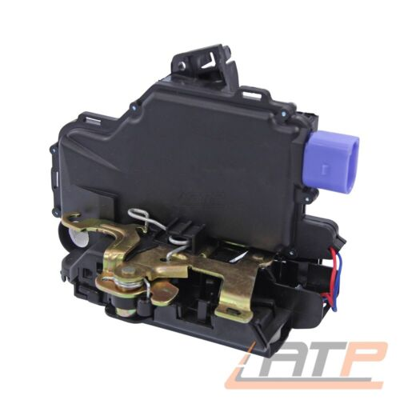 | https://www.ebay.de/itm/391525907146?_ul=DE&_stpos=10115&orig_cvip=true
3 | 390952552830 | DE | TÜRSCHLOSS VORNE RECHTS FÜR SEAT LEON 1M SKODA OCTAVIA VW GOLF 4 PASSAT 3B 3BG | EUR 18,39 | Mehr als 10 verfügbar | 6.715 verkauft | Seat Arosa 1997-2004 Seat Leon 1999-2006 Seat Toledo II 1998-2006 Skoda Octavia I 1996-2010 Skoda Octavia I Combi 1998-2010 Skoda Octavia I Kasten/Kombi 2000-2010 Skoda Superb I 2001-2008 VW Bora 1998-2013 VW Bora Variant 1999-2005 VW Golf IV 1997-2005 VW Golf IV Van 1997-2004 VW Golf IV Variant 1999-2006 VW Golf Van IV Variant 1999-2006 VW Lupo 1998-2005 VW New Beetle 1998-2010 VW Passat 1996-2005 VW Passat Variant 1997-2005 | Seat Arosa 1997-2004 1389 ccm, 44 KW, 60 PS Seat Arosa 1997-2004 1716 ccm, 44 KW, 60 PS Seat Arosa 1997-2004 999 ccm, 37 KW, 50 PS Seat Arosa 1998-2001 997 ccm, 37 KW, 50 PS Seat Arosa 2000-2004 1390 ccm, 74 KW, 100 PS Seat Arosa 2000-2004 1422 ccm, 55 KW, 75 PS Seat Leon 1999-2006 1390 ccm, 55 KW, 75 PS Seat Leon 1999-2006 1595 ccm, 74 KW, 100 PS Seat Leon 1999-2006 1781 ccm, 132 KW, 180 PS Seat Leon 1999-2006 1781 ccm, 92 KW, 125 PS Seat Leon 1999-2006 1896 ccm, 50 KW, 68 PS Seat Leon 1999-2006 1896 ccm, 66 KW, 90 PS Seat Leon 1999-2006 1896 ccm, 81 KW, 110 PS Seat Leon 2000-2006 1598 ccm, 77 KW, 105 PS Seat Leon 2000-2006 1896 ccm, 110 KW, 150 PS Seat Leon 2001-2006 2792 ccm, 150 KW, 204 PS Seat Leon 2002-2006 1781 ccm, 154 KW, 209 PS Seat Leon 2003-2006 1781 ccm, 165 KW, 225 PS Seat Leon 2003-2006 1896 ccm, 96 KW, 130 PS Seat Leon 2005-2006 1595 ccm, 75 KW, 102 PS Seat Leon 2005-2006 1896 ccm, 74 KW, 100 PS Seat Toledo II 1998-2000 2324 ccm, 110 KW, 150 PS Seat Toledo II 1998-2004 1595 ccm, 74 KW, 100 PS Seat Toledo II 1998-2004 1781 ccm, 92 KW, 125 PS Seat Toledo II 1998-2004 1896 ccm, 81 KW, 110 PS Seat Toledo II 1999-2004 1896 ccm, 66 KW, 90 PS Seat Toledo II 2000-2002 1390 ccm, 55 KW, 75 PS Seat Toledo II 2000-2003 2324 ccm, 125 KW, 170 PS Seat Toledo II 2000-2004 1781 ccm, 132 KW, 180 PS Seat Toledo II 2000-2004 1896 ccm, 110 KW, 150 PS Seat Toledo II 2000-2006 1598 ccm, 77 KW, 105 PS Seat Toledo II 2003-2006 1896 ccm, 96 KW, 130 PS Skoda Octavia I 1996-2000 1781 ccm, 92 KW, 125 PS Skoda Octavia I 1996-2004 1598 ccm, 55 KW, 75 PS Skoda Octavia I 1996-2010 1896 ccm, 66 KW, 90 PS Skoda Octavia I 1997-2003 1896 ccm, 50 KW, 68 PS Skoda Octavia I 1997-2006 1896 ccm, 81 KW, 110 PS Skoda Octavia I 1997-2007 1595 ccm, 74 KW, 101 PS Skoda Octavia I 1997-2010 1781 ccm, 110 KW, 150 PS Skoda Octavia I 1999-2001 1397 ccm, 44 KW, 60 PS Skoda Octavia I 1999-2007 1984 ccm, 85 KW, 116 PS Skoda Octavia I 2000-2010 1390 ccm, 55 KW, 75 PS Skoda Octavia I 2000-2010 1595 ccm, 75 | 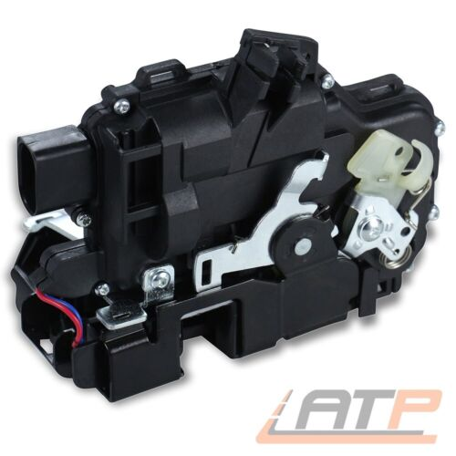 | https://www.ebay.de/itm/390952552830?_ul=DE&_stpos=10115&orig_cvip=true
4 | 371556118150 | DE | TÜRSCHLOSS ZENTRALVERRIEG<wbr/>ELUNG VORNE LINKS FÜR AUDI A4 B6 8E 8H ALLROAD A6 C5 4B | EUR 25,79 | Mehr als 10 verfügbar | 2.260 verkauft | Audi A4 2000-2004 Audi A4 Avant 2001-2004 Audi A4 Cabriolet 2002-2005 Audi A6 1997-2005 Audi A6 Avant 1997-2005 Audi Allroad 2000-2005 | Audi A4 2000-2002 1781 ccm, 110 KW, 150 PS Audi A4 2000-2004 1595 ccm, 75 KW, 102 PS Audi A4 2000-2004 1896 ccm, 96 KW, 130 PS Audi A4 2000-2004 1984 ccm, 96 KW, 130 PS Audi A4 2000-2004 2496 ccm, 132 KW, 180 PS Audi A4 2000-2004 2976 ccm, 162 KW, 220 PS Audi A4 2001-2002 2496 ccm, 114 KW, 155 PS Audi A4 2001-2004 1896 ccm, 74 KW, 101 PS Audi A4 2001-2004 2393 ccm, 120 KW, 163 PS Audi A4 2001-2004 2393 ccm, 125 KW, 170 PS Audi A4 2001-2004 2976 ccm, 160 KW, 218 PS Audi A4 2002-2004 1781 ccm, 120 KW, 163 PS Audi A4 2002-2004 1781 ccm, 140 KW, 190 PS Audi A4 2002-2004 1984 ccm, 110 KW, 150 PS Audi A4 2002-2004 2496 ccm, 120 KW, 163 PS Audi A4 2003-2004 4163 ccm, 253 KW, 344 PS Audi A4 2004 1896 ccm, 85 KW, 116 PS Audi A4 Avant 2001-2002 1781 ccm, 110 KW, 150 PS Audi A4 Avant 2001-2002 2496 ccm, 114 KW, 155 PS Audi A4 Avant 2001-2004 1595 ccm, 75 KW, 102 PS Audi A4 Avant 2001-2004 1896 ccm, 74 KW, 101 PS Audi A4 Avant 2001-2004 1896 ccm, 96 KW, 130 PS Audi A4 Avant 2001-2004 1984 ccm, 96 KW, 130 PS Audi A4 Avant 2001-2004 2393 ccm, 120 KW, 163 PS Audi A4 Avant 2001-2004 2393 ccm, 125 KW, 170 PS Audi A4 Avant 2001-2004 2496 ccm, 132 KW, 180 PS Audi A4 Avant 2001-2004 2976 ccm, 160 KW, 218 PS Audi A4 Avant 2001-2004 2976 ccm, 162 KW, 220 PS Audi A4 Avant 2002-2004 1781 ccm, 120 KW, 163 PS Audi A4 Avant 2002-2004 1781 ccm, 140 KW, 190 PS Audi A4 Avant 2002-2004 1984 ccm, 110 KW, 150 PS Audi A4 Avant 2002-2004 2496 ccm, 120 KW, 163 PS Audi A4 Avant 2003-2004 4163 ccm, 253 KW, 344 PS Audi A4 Avant 2004 1896 ccm, 85 KW, 116 PS Audi A4 Cabriolet 2002-2005 1781 ccm, 120 KW, 163 PS Audi A4 Cabriolet 2002-2005 2393 ccm, 120 KW, 163 PS Audi A4 Cabriolet 2002-2005 2393 ccm, 125 KW, 170 PS Audi A4 Cabriolet 2002-2005 2496 ccm, 120 KW, 163 PS Audi A4 Cabriolet 2002-2005 2976 ccm, 160 KW, 218 PS Audi A4 Cabriolet 2002-2005 2976 ccm, 162 KW, 220 PS Audi A4 Cabriolet 2004-2005 1984 ccm, 96 KW, 130 PS Audi A4 Cabriolet 2004-2005 4163 ccm, 253 KW, 344 PS Audi A6 1997-2000 1896 ccm, 81 KW | 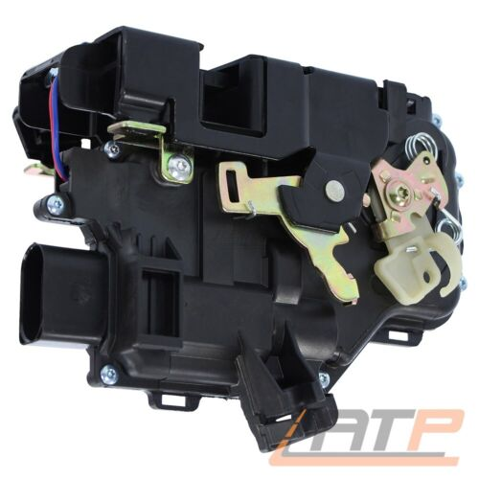 | https://www.ebay.de/itm/371556118150?_ul=DE&_stpos=10115&orig_cvip=true
5 | 301357432588 | DE | TÜRSCHLOSS HINTEN RECHTS FÜR VW GOLF PLUS 5M 5 1K 6 AJ JETTA 3 1K 4 TOURAN 1T | EUR 21,29 | Mehr als 10 verfügbar | 2.720 verkauft | Seat Altea 2004-2015 Seat Toledo III 2004-2009 Skoda Octavia II 2004-2013 Skoda Octavia II Combi 2004-2013 VW Golf Plus 2004-2013 VW Golf V 2003-2009 VW Golf V Variant 2007-2009 VW Golf VI Variant 2009-2013 VW Golf Van VI Variant 2009-2014 VW Jetta III 2004-2010 VW Touareg 2002-2010 VW Touran 2003-2015 | Seat Altea 2004-2009 1968 ccm, 100 KW, 136 PS Seat Altea 2004-2009 1984 ccm, 110 KW, 150 PS Seat Altea 2004-2010 1595 ccm, 75 KW, 102 PS Seat Altea 2004-2010 1896 ccm, 77 KW, 105 PS Seat Altea 2004-2015 1968 ccm, 103 KW, 140 PS Seat Toledo III 2004-2009 1595 ccm, 75 KW, 102 PS Seat Toledo III 2004-2009 1896 ccm, 77 KW, 105 PS Seat Toledo III 2004-2009 1968 ccm, 100 KW, 136 PS Seat Toledo III 2004-2009 1968 ccm, 103 KW, 140 PS Seat Toledo III 2004-2009 1984 ccm, 110 KW, 150 PS Skoda Octavia II 2004-2006 1390 ccm, 55 KW, 75 PS Skoda Octavia II 2004-2008 1598 ccm, 85 KW, 115 PS Skoda Octavia II 2004-2008 1984 ccm, 110 KW, 150 PS Skoda Octavia II 2004-2010 1896 ccm, 77 KW, 105 PS Skoda Octavia II 2004-2010 1968 ccm, 100 KW, 136 PS Skoda Octavia II 2004-2013 1390 ccm, 59 KW, 80 PS Skoda Octavia II 2004-2013 1595 ccm, 75 KW, 102 PS Skoda Octavia II 2004-2013 1968 ccm, 103 KW, 140 PS Skoda Octavia II 2005-2013 1984 ccm, 147 KW, 200 PS Skoda Octavia II 2006-2013 1968 ccm, 125 KW, 170 PS Skoda Octavia II 2007-2013 1798 ccm, 118 KW, 160 PS Skoda Octavia II 2008-2013 1390 ccm, 90 KW, 122 PS Skoda Octavia II 2009-2013 1598 ccm, 77 KW, 105 PS Skoda Octavia II 2009-2013 1798 ccm, 112 KW, 152 PS Skoda Octavia II 2010-2013 1197 ccm, 77 KW, 105 PS Skoda Octavia II 2010-2013 1968 ccm, 81 KW, 110 PS Skoda Octavia II Combi 2004-2006 1390 ccm, 55 KW, 75 PS Skoda Octavia II Combi 2004-2008 1598 ccm, 85 KW, 115 PS Skoda Octavia II Combi 2004-2009 1984 ccm, 110 KW, 150 PS Skoda Octavia II Combi 2004-2010 1896 ccm, 77 KW, 105 PS Skoda Octavia II Combi 2004-2010 1968 ccm, 100 KW, 136 PS Skoda Octavia II Combi 2004-2013 1595 ccm, 75 KW, 102 PS Skoda Octavia II Combi 2004-2013 1968 ccm, 103 KW, 140 PS Skoda Octavia II Combi 2005-2013 1984 ccm, 147 KW, 200 PS Skoda Octavia II Combi 2006-2013 1390 ccm, 59 KW, 80 PS Skoda Octavia II Combi 2006-2013 1968 ccm, 125 KW, 170 PS Skoda Octavia II Combi 2007-2013 1798 ccm, 118 KW, 160 PS Skoda Octavia II Combi 2008-2013 1390 ccm, 90 KW, 122 PS Skoda Octa | 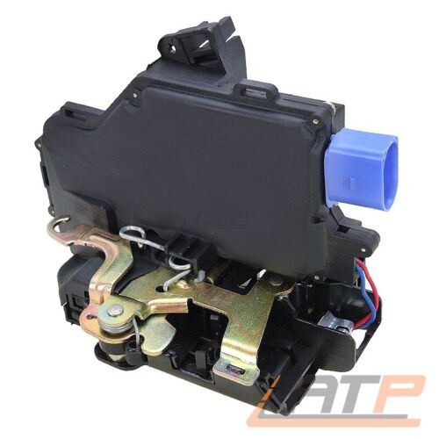 | https://www.ebay.de/itm/301357432588?_ul=DE&_stpos=10115&orig_cvip=true
6 | 391525907148 | DE | TÜRSCHLOSS ZENTRALVERRIEG<wbr/>ELUNG HINTEN LINKS FÜR VW POLO 9N | EUR 21,39 | Mehr als 10 verfügbar | 1.953 verkauft | Seat Cordoba 2002-2009 Seat Ibiza III 2002-2009 Skoda Fabia I 1999-2007 Skoda Fabia I Combi 2000-2007 Skoda Fabia I Stufenheck 1999-2007 VW Polo 2001-2009 VW Polo Stufenheck 2003-2012 | Seat Cordoba 2002-2005 1422 ccm, 55 KW, 75 PS Seat Cordoba 2002-2006 1198 ccm, 47 KW, 64 PS Seat Cordoba 2002-2007 1390 ccm, 55 KW, 75 PS Seat Cordoba 2002-2009 1390 ccm, 74 KW, 100 PS Seat Cordoba 2002-2009 1896 ccm, 47 KW, 64 PS Seat Cordoba 2002-2009 1896 ccm, 74 KW, 100 PS Seat Cordoba 2002-2009 1896 ccm, 96 KW, 131 PS Seat Cordoba 2002-2009 1984 ccm, 85 KW, 115 PS Seat Cordoba 2003-2009 1598 ccm, 74 KW, 101 PS Seat Cordoba 2005-2009 1422 ccm, 51 KW, 70 PS Seat Cordoba 2005-2009 1422 ccm, 59 KW, 80 PS Seat Cordoba 2006-2009 1198 ccm, 51 KW, 70 PS Seat Cordoba 2006-2009 1390 ccm, 63 KW, 86 PS Seat Cordoba 2006-2009 1598 ccm, 77 KW, 105 PS Seat Ibiza III 2002-2005 1422 ccm, 55 KW, 75 PS Seat Ibiza III 2002-2005 1896 ccm, 47 KW, 64 PS Seat Ibiza III 2002-2006 1198 ccm, 47 KW, 64 PS Seat Ibiza III 2002-2007 1390 ccm, 55 KW, 75 PS Seat Ibiza III 2002-2009 1390 ccm, 74 KW, 100 PS Seat Ibiza III 2002-2009 1896 ccm, 74 KW, 100 PS Seat Ibiza III 2002-2009 1896 ccm, 96 KW, 131 PS Seat Ibiza III 2002-2009 1984 ccm, 85 KW, 116 PS Seat Ibiza III 2003-2008 1781 ccm, 110 KW, 150 PS Seat Ibiza III 2003-2009 1598 ccm, 74 KW, 101 PS Seat Ibiza III 2004-2008 1781 ccm, 132 KW, 180 PS Seat Ibiza III 2004-2008 1896 ccm, 118 KW, 160 PS Seat Ibiza III 2005-2009 1422 ccm, 51 KW, 70 PS Seat Ibiza III 2005-2009 1422 ccm, 59 KW, 80 PS Seat Ibiza III 2006-2009 1198 ccm, 51 KW, 70 PS Seat Ibiza III 2006-2009 1390 ccm, 63 KW, 86 PS Seat Ibiza III 2006-2009 1598 ccm, 77 KW, 105 PS Seat Ibiza III 2007-2008 1198 ccm, 44 KW, 60 PS Skoda Fabia I 1999-2002 996 ccm, 37 KW, 50 PS Skoda Fabia I 1999-2003 1397 ccm, 50 KW, 68 PS Skoda Fabia I 2000-2002 1397 ccm, 44 KW, 60 PS Skoda Fabia I 2001-2007 1198 ccm, 40 KW, 54 PS Skoda Fabia I Combi 2000-2003 1397 ccm, 44 KW, 60 PS Skoda Fabia I Combi 2000-2003 1397 ccm, 50 KW, 68 PS Skoda Fabia I Combi 2000-2007 1390 ccm, 55 KW, 75 PS Skoda Fabia I Combi 2000-2007 1390 ccm, 74 KW, 100 PS Skoda Fabia I Combi 2000-2007 1896 ccm, 47 KW, 64 PS Skoda Fabia I Combi 2 | 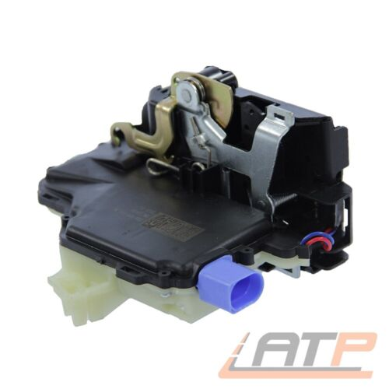 | https://www.ebay.de/itm/391525907148?_ul=DE&_stpos=10115&orig_cvip=true
7 | 371165049724 | DE | TÜRSCHLOSS HINTEN LINKS FÜR SEAT LEON 1M SKODA OCTAVIA 1 VW GOLF 4 PASSAT 3B | EUR 24,80 | Mehr als 10 verfügbar | 965 verkauft | Seat Leon 1999-2006 Seat Toledo II 1998-2006 Skoda Octavia I 1996-2010 Skoda Octavia I Combi 1998-2010 VW Bora 1998-2013 VW Bora Variant 1999-2005 VW Golf IV 1997-2005 VW Golf IV Van 1997-2004 VW Golf IV Variant 1999-2006 VW Golf Van IV Variant 1999-2006 VW Passat 1996-2005 VW Passat Variant 1997-2005 | Seat Leon 1999-2006 1390 ccm, 55 KW, 75 PS Seat Leon 1999-2006 1595 ccm, 74 KW, 100 PS Seat Leon 1999-2006 1781 ccm, 132 KW, 180 PS Seat Leon 1999-2006 1781 ccm, 92 KW, 125 PS Seat Leon 1999-2006 1896 ccm, 50 KW, 68 PS Seat Leon 1999-2006 1896 ccm, 66 KW, 90 PS Seat Leon 1999-2006 1896 ccm, 81 KW, 110 PS Seat Leon 2000-2006 1598 ccm, 77 KW, 105 PS Seat Leon 2000-2006 1896 ccm, 110 KW, 150 PS Seat Leon 2001-2006 2792 ccm, 150 KW, 204 PS Seat Leon 2002-2006 1781 ccm, 154 KW, 209 PS Seat Toledo II 1998-2000 2324 ccm, 110 KW, 150 PS Seat Toledo II 1998-2004 1595 ccm, 74 KW, 100 PS Seat Toledo II 1998-2004 1781 ccm, 92 KW, 125 PS Seat Toledo II 1998-2004 1896 ccm, 81 KW, 110 PS Seat Toledo II 1999-2004 1896 ccm, 66 KW, 90 PS Seat Toledo II 2000-2002 1390 ccm, 55 KW, 75 PS Seat Toledo II 2000-2003 2324 ccm, 125 KW, 170 PS Seat Toledo II 2000-2004 1781 ccm, 132 KW, 180 PS Seat Toledo II 2000-2005 1896 ccm, 110 KW, 150 PS Seat Toledo II 2000-2006 1598 ccm, 77 KW, 105 PS Skoda Octavia I 1996-2000 1781 ccm, 92 KW, 125 PS Skoda Octavia I 1996-2004 1598 ccm, 55 KW, 75 PS Skoda Octavia I 1996-2010 1896 ccm, 66 KW, 90 PS Skoda Octavia I 1997-2003 1896 ccm, 50 KW, 68 PS Skoda Octavia I 1997-2006 1896 ccm, 81 KW, 110 PS Skoda Octavia I 1997-2007 1595 ccm, 74 KW, 101 PS Skoda Octavia I 1997-2010 1781 ccm, 110 KW, 150 PS Skoda Octavia I 1999-2001 1397 ccm, 44 KW, 60 PS Skoda Octavia I 1999-2007 1984 ccm, 85 KW, 116 PS Skoda Octavia I Combi 1998-2000 1781 ccm, 92 KW, 125 PS Skoda Octavia I Combi 1998-2003 1896 ccm, 50 KW, 68 PS Skoda Octavia I Combi 1998-2004 1598 ccm, 55 KW, 75 PS Skoda Octavia I Combi 1998-2006 1896 ccm, 81 KW, 110 PS Skoda Octavia I Combi 1998-2007 1595 ccm, 74 KW, 101 PS Skoda Octavia I Combi 1998-2010 1781 ccm, 110 KW, 150 PS Skoda Octavia I Combi 1998-2010 1896 ccm, 66 KW, 90 PS Skoda Octavia I Combi 1999-2007 1984 ccm, 85 KW, 116 PS Skoda Octavia I Combi 2000-2010 1984 ccm, 88 KW, 120 PS VW Bora 1998-2000 2324 ccm, 110 KW, 150 PS VW Bora 1998-2001 1896 ccm, 81 | 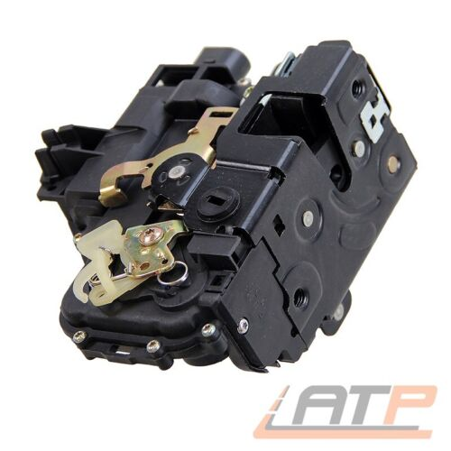 | https://www.ebay.de/itm/371165049724?_ul=DE&_stpos=10115&orig_cvip=true
8 | 371570167825 | DE | TÜRSCHLOSS ZENTRALVERRIEG<wbr/>ELUNG ZV HINTEN RECHTS FÜR VW POLO 9N | EUR 18,99 | Mehr als 10 verfügbar | 2.097 verkauft | Seat Cordoba 2002-2009 Seat Ibiza III 2002-2009 Skoda Fabia I 1999-2007 Skoda Fabia I Combi 2000-2007 Skoda Fabia I Stufenheck 1999-2007 VW Polo 2001-2009 VW Polo Stufenheck 2003-2012 | Seat Cordoba 2002-2005 1422 ccm, 55 KW, 75 PS Seat Cordoba 2002-2006 1198 ccm, 47 KW, 64 PS Seat Cordoba 2002-2007 1390 ccm, 55 KW, 75 PS Seat Cordoba 2002-2009 1390 ccm, 74 KW, 100 PS Seat Cordoba 2002-2009 1896 ccm, 47 KW, 64 PS Seat Cordoba 2002-2009 1896 ccm, 74 KW, 100 PS Seat Cordoba 2002-2009 1896 ccm, 96 KW, 131 PS Seat Cordoba 2002-2009 1984 ccm, 85 KW, 115 PS Seat Cordoba 2003-2009 1598 ccm, 74 KW, 101 PS Seat Cordoba 2005-2009 1422 ccm, 51 KW, 70 PS Seat Cordoba 2005-2009 1422 ccm, 59 KW, 80 PS Seat Cordoba 2006-2009 1198 ccm, 51 KW, 70 PS Seat Cordoba 2006-2009 1390 ccm, 63 KW, 86 PS Seat Cordoba 2006-2009 1598 ccm, 77 KW, 105 PS Seat Ibiza III 2002-2005 1422 ccm, 55 KW, 75 PS Seat Ibiza III 2002-2005 1896 ccm, 47 KW, 64 PS Seat Ibiza III 2002-2006 1198 ccm, 47 KW, 64 PS Seat Ibiza III 2002-2007 1390 ccm, 55 KW, 75 PS Seat Ibiza III 2002-2009 1390 ccm, 74 KW, 100 PS Seat Ibiza III 2002-2009 1896 ccm, 74 KW, 100 PS Seat Ibiza III 2002-2009 1896 ccm, 96 KW, 131 PS Seat Ibiza III 2002-2009 1984 ccm, 85 KW, 116 PS Seat Ibiza III 2003-2008 1781 ccm, 110 KW, 150 PS Seat Ibiza III 2003-2009 1598 ccm, 74 KW, 101 PS Seat Ibiza III 2004-2008 1781 ccm, 132 KW, 180 PS Seat Ibiza III 2004-2008 1896 ccm, 118 KW, 160 PS Seat Ibiza III 2005-2009 1422 ccm, 51 KW, 70 PS Seat Ibiza III 2005-2009 1422 ccm, 59 KW, 80 PS Seat Ibiza III 2006-2009 1198 ccm, 51 KW, 70 PS Seat Ibiza III 2006-2009 1390 ccm, 63 KW, 86 PS Seat Ibiza III 2006-2009 1598 ccm, 77 KW, 105 PS Seat Ibiza III 2007-2008 1198 ccm, 44 KW, 60 PS Skoda Fabia I 1999-2002 996 ccm, 37 KW, 50 PS Skoda Fabia I 1999-2003 1397 ccm, 50 KW, 68 PS Skoda Fabia I 2000-2002 1397 ccm, 44 KW, 60 PS Skoda Fabia I 2001-2007 1198 ccm, 40 KW, 54 PS Skoda Fabia I Combi 2000-2003 1397 ccm, 44 KW, 60 PS Skoda Fabia I Combi 2000-2003 1397 ccm, 50 KW, 68 PS Skoda Fabia I Combi 2000-2007 1390 ccm, 55 KW, 75 PS Skoda Fabia I Combi 2000-2007 1390 ccm, 74 KW, 100 PS Skoda Fabia I Combi 2000-2007 1896 ccm, 47 KW, 64 PS Skoda Fabia I Combi 2 | 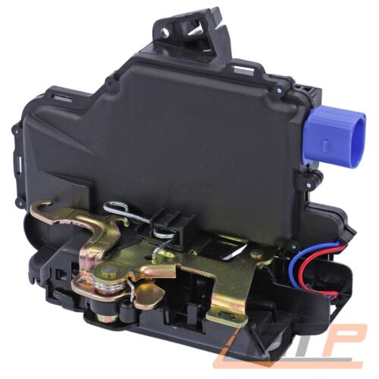 | https://www.ebay.de/itm/371570167825?_ul=DE&_stpos=10115&orig_cvip=true
9 | 301791991081 | DE | TÜRSCHLOSS HINTEN RECHTS FÜR VW BORA 1J GOLF 4 PASSAT 3B 3BG BJ 96-01 | EUR 19,99 | Mehr als 10 verfügbar | 1.997 verkauft | Seat Leon 1999-2006 Seat Toledo II 1998-2006 Skoda Octavia I 1996-2010 Skoda Octavia I Combi 1998-2010 VW Bora 1998-2005 VW Bora Variant 1999-2005 VW Golf IV 1997-2005 VW Golf IV Variant 1999-2006 VW Passat 1996-2005 VW Passat Variant 1997-2005 | Seat Leon 1999-2006 1390 ccm, 55 KW, 75 PS Seat Leon 1999-2006 1595 ccm, 74 KW, 100 PS Seat Leon 1999-2006 1781 ccm, 132 KW, 180 PS Seat Leon 1999-2006 1781 ccm, 92 KW, 125 PS Seat Leon 1999-2006 1896 ccm, 50 KW, 68 PS Seat Leon 1999-2006 1896 ccm, 66 KW, 90 PS Seat Leon 1999-2006 1896 ccm, 81 KW, 110 PS Seat Leon 2000-2006 1598 ccm, 77 KW, 105 PS Seat Leon 2001-2006 2792 ccm, 150 KW, 204 PS Seat Leon 2002-2006 1781 ccm, 154 KW, 209 PS Seat Toledo II 1998-2000 2324 ccm, 110 KW, 150 PS Seat Toledo II 1998-2004 1595 ccm, 74 KW, 100 PS Seat Toledo II 1998-2004 1781 ccm, 92 KW, 125 PS Seat Toledo II 1998-2004 1896 ccm, 81 KW, 110 PS Seat Toledo II 1999-2004 1896 ccm, 66 KW, 90 PS Seat Toledo II 2000-2002 1390 ccm, 55 KW, 75 PS Seat Toledo II 2000-2003 2324 ccm, 125 KW, 170 PS Seat Toledo II 2000-2004 1781 ccm, 132 KW, 180 PS Seat Toledo II 2000-2004 1896 ccm, 110 KW, 150 PS Seat Toledo II 2000-2006 1598 ccm, 77 KW, 105 PS Skoda Octavia I 1996-2000 1781 ccm, 92 KW, 125 PS Skoda Octavia I 1996-2004 1598 ccm, 55 KW, 75 PS Skoda Octavia I 1996-2010 1896 ccm, 66 KW, 90 PS Skoda Octavia I 1997-2003 1896 ccm, 50 KW, 68 PS Skoda Octavia I 1997-2006 1896 ccm, 81 KW, 110 PS Skoda Octavia I 1997-2007 1595 ccm, 74 KW, 101 PS Skoda Octavia I 1997-2010 1781 ccm, 110 KW, 150 PS Skoda Octavia I 1999-2001 1397 ccm, 44 KW, 60 PS Skoda Octavia I 1999-2007 1984 ccm, 85 KW, 116 PS Skoda Octavia I 2000-2010 1390 ccm, 55 KW, 75 PS Skoda Octavia I 2000-2010 1595 ccm, 75 KW, 102 PS Skoda Octavia I 2001-2006 1781 ccm, 132 KW, 180 PS Skoda Octavia I 2002-2004 1896 ccm, 96 KW, 130 PS Skoda Octavia I 2005-2010 1896 ccm, 74 KW, 100 PS Skoda Octavia I Combi 1998-2000 1781 ccm, 92 KW, 125 PS Skoda Octavia I Combi 1998-2003 1896 ccm, 50 KW, 68 PS Skoda Octavia I Combi 1998-2004 1598 ccm, 55 KW, 75 PS Skoda Octavia I Combi 1998-2006 1896 ccm, 81 KW, 110 PS Skoda Octavia I Combi 1998-2007 1595 ccm, 74 KW, 101 PS Skoda Octavia I Combi 1998-2010 1781 ccm, 110 KW, 150 PS Skoda Octavia I Combi 1998-2010 1896 | 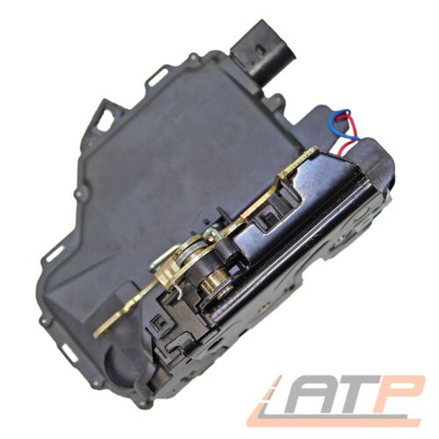 | https://www.ebay.de/itm/301791991081?_ul=DE&_stpos=10115&orig_cvip=true
10 | 373222887187 | DE | TÜRSCHLOSS VORNE RECHTS FÜR SEAT ALTEA 5P SKODA OCTAVIA 2 VW GOLF 5 6 TOURAN 1T | EUR 21,29 | Mehr als 10 verfügbar | 1.558 verkauft | Seat Altea 2004-2015 Seat Toledo III 2004-2009 Skoda Octavia II 2004-2013 Skoda Octavia II Combi 2004-2013 VW Caddy III Großraumlimousine 2004-2015 VW Caddy III Kasten/Großraumlimousine 2004-2015 VW Golf Plus 2004-2013 VW Golf V 2003-2009 VW Golf V Variant 2007-2009 VW Golf VI Variant 2009-2013 VW Golf Van VI Variant 2009-2014 VW Jetta III 2004-2010 VW Phaeton 2002-2016 VW Touareg 2002-2010 VW Touran 2003-2015 | Seat Altea 2004-2009 1968 ccm, 100 KW, 136 PS Seat Altea 2004-2009 1984 ccm, 110 KW, 150 PS Seat Altea 2004-2010 1595 ccm, 75 KW, 102 PS Seat Altea 2004-2010 1896 ccm, 77 KW, 105 PS Seat Altea 2004-2015 1968 ccm, 103 KW, 140 PS Seat Altea 2006-2009 1984 ccm, 147 KW, 200 PS Seat Altea 2006-2010 1968 ccm, 125 KW, 170 PS Seat Toledo III 2004-2009 1595 ccm, 75 KW, 102 PS Seat Toledo III 2004-2009 1896 ccm, 77 KW, 105 PS Seat Toledo III 2004-2009 1968 ccm, 100 KW, 136 PS Seat Toledo III 2004-2009 1968 ccm, 103 KW, 140 PS Seat Toledo III 2004-2009 1984 ccm, 110 KW, 150 PS Seat Toledo III 2005-2009 1984 ccm, 147 KW, 200 PS Seat Toledo III 2006-2009 1390 ccm, 63 KW, 86 PS Seat Toledo III 2006-2009 1968 ccm, 125 KW, 170 PS Seat Toledo III 2007-2009 1390 ccm, 92 KW, 125 PS Seat Toledo III 2007-2009 1798 ccm, 118 KW, 160 PS Skoda Octavia II 2004-2006 1390 ccm, 55 KW, 75 PS Skoda Octavia II 2004-2008 1598 ccm, 85 KW, 115 PS Skoda Octavia II 2004-2008 1984 ccm, 110 KW, 150 PS Skoda Octavia II 2004-2010 1896 ccm, 77 KW, 105 PS Skoda Octavia II 2004-2010 1968 ccm, 100 KW, 136 PS Skoda Octavia II 2004-2013 1390 ccm, 59 KW, 80 PS Skoda Octavia II 2004-2013 1595 ccm, 75 KW, 102 PS Skoda Octavia II 2004-2013 1968 ccm, 103 KW, 140 PS Skoda Octavia II 2005-2013 1984 ccm, 147 KW, 200 PS Skoda Octavia II 2006-2013 1968 ccm, 125 KW, 170 PS Skoda Octavia II 2007-2013 1798 ccm, 118 KW, 160 PS Skoda Octavia II 2008-2013 1390 ccm, 90 KW, 122 PS Skoda Octavia II 2009-2013 1598 ccm, 77 KW, 105 PS Skoda Octavia II 2009-2013 1798 ccm, 112 KW, 152 PS Skoda Octavia II 2010-2013 1197 ccm, 77 KW, 105 PS Skoda Octavia II 2010-2013 1968 ccm, 81 KW, 110 PS Skoda Octavia II Combi 2004-2006 1390 ccm, 55 KW, 75 PS Skoda Octavia II Combi 2004-2008 1598 ccm, 85 KW, 115 PS Skoda Octavia II Combi 2004-2009 1984 ccm, 110 KW, 150 PS Skoda Octavia II Combi 2004-2010 1896 ccm, 77 KW, 105 PS Skoda Octavia II Combi 2004-2010 1968 ccm, 100 KW, 136 PS Skoda Octavia II Combi 2004-2013 1595 ccm, 75 KW, 102 PS Skoda Octav | 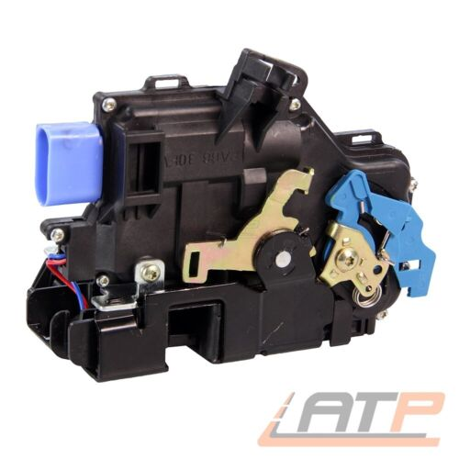 | https://www.ebay.de/itm/373222887187?_ul=DE&_stpos=10115&orig_cvip=true

